Sheet1
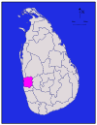
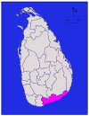
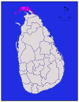
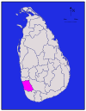
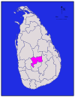
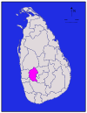
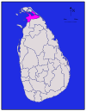
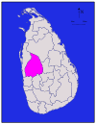
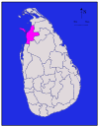
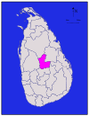
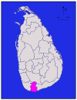
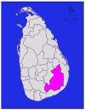
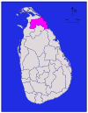

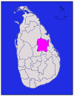
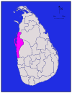
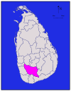
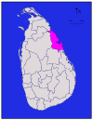
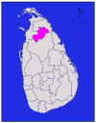
District | Area map | Province | District | Land | Inland | Total | Population | Population
 |  |  | capital | area | water | area | (2012)[25] | density
 |  |  |  | in km2 (mi2)[24] | area | in km2 (mi2)[24] |  | per km2
 |  |  |  |  | in km2 (mi2)[24] |  |  | (per mi2)[a]
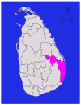
Ampara |  | Eastern | Ampara | 4,222 (1,630) | 193 (75) | 4,415 (1,705) | 649.402 | 154 (400)
Anuradhapura |  | North Central | Anuradhapura | 6,664 (2,573) | 515 (199) | 7,179 (2,772) | 860.575 | 129 (330)
Badulla |  | Uva | Badulla | 2,827 (1,092) | 34 (13) | 2,861 (1,105) | 815.405 | 288 (750)
Batticaloa |  | Eastern | Batticaloa | 2,610 (1,010) | 244 (94) | 2,854 (1,102) | 526.567 | 202 (520)
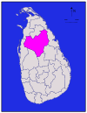
Colombo |  | Western | Colombo | 676 (261) | 23 (8.9) | 699 (270) | 2,324,349 | 3,438 (8,900)
Galle |  | Southern | Galle | 1,617 (624) | 35 (14) | 1,652 (638) | 1,063,334 | 658 (1,700)
Gampaha |  | Western | Gampaha | 1,341 (518) | 46 (18) | 1,387 (536) | 2,304,833 | 1,719 (4,450)
Hambantota |  | Southern | Hambantota | 2,496 (964) | 113 (44) | 2,609 (1,007) | 599.903 | 240 (620)
Jaffna |  | Northern | Jaffna | 929 (359) | 96 (37) | 1,025 (396) | 583.882 | 629 (1,630)
Kalutara |  | Western | Kalutara | 1,576 (608) | 22 (8.5) | 1,598 (617) | 1,221,948 | 775 (2,010)
Kandy |  | Central | Kandy | 1,917 (740) | 23 (8.9) | 1,940 (750) | 1,375,382 | 716 (1,850)
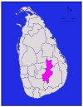
Kegalle |  | Sabaragamuwa | Kegalle | 1,685 (651) | 8 (3.1) | 1,693 (654) | 840.648 | 499 (1,290)
Kilinochchi |  | Northern | Kilinochchi | 1,205 (465) | 74 (29) | 1,279 (494) | 113.51 | 94 (240)
Kurunegala |  | North Western | Kurunegala | 4,624 (1,785) | 192 (74) | 4,816 (1,859) | 1,618,465 | 350 (910)
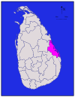
Mannar |  | Northern | Mannar | 1,880 (730) | 116 (45) | 1,996 (771) | 99.57 | 53 (140)
Matale |  | Central | Matale | 1,952 (754) | 41 (16) | 1,993 (770) | 484.531 | 248 (640)
Matara |  | Southern | Matara | 1,270 (490) | 13 (5.0) | 1,283 (495) | 814.048 | 641 (1,660)
Monaragala |  | Uva | Monaragala | 5,508 (2,127) | 131 (51) | 5,639 (2,177) | 451.058 | 82 (210)
Mullaitivu |  | Northern | Mullaitivu | 2,415 (932) | 202 (78) | 2,617 (1,010) | 92.238 | 38 (98)
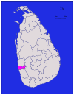
Nuwara Eliya |  | Central | Nuwara Eliya | 1,706 (659) | 35 (14) | 1,741 (672) | 711.644 | 417 (1,080)
Polonnaruwa |  | North Central | Polonnaruwa | 3,077 (1,188) | 216 (83) | 3,293 (1,271) | 406.088 | 132 (340)
Puttalam |  | North Western | Puttalam | 2,882 (1,113) | 190 (73) | 3,072 (1,186) | 762.396 | 265 (690)
Ratnapura |  | Sabaragamuwa | Ratnapura | 3,236 (1,249) | 39 (15) | 3,275 (1,264) | 1,088,007 | 336 (870)
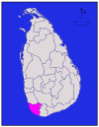
Trincomalee |  | Eastern | Trincomalee | 2,529 (976) | 198 (76) | 2,727 (1,053) | 379.541 | 150 (390)
Vavuniya |  | Northern | Vavuniya | 1,861 (719) | 106 (41) | 1,967 (759) | 172.115 | 92 (240)
Total |  |  |  | 62,705 (24,211) | 2,905 (1,122) | 65,610 (25,330) | 20,359,439 | 325 (840)

